CAD model
1. ISP BOX to Roll Transform
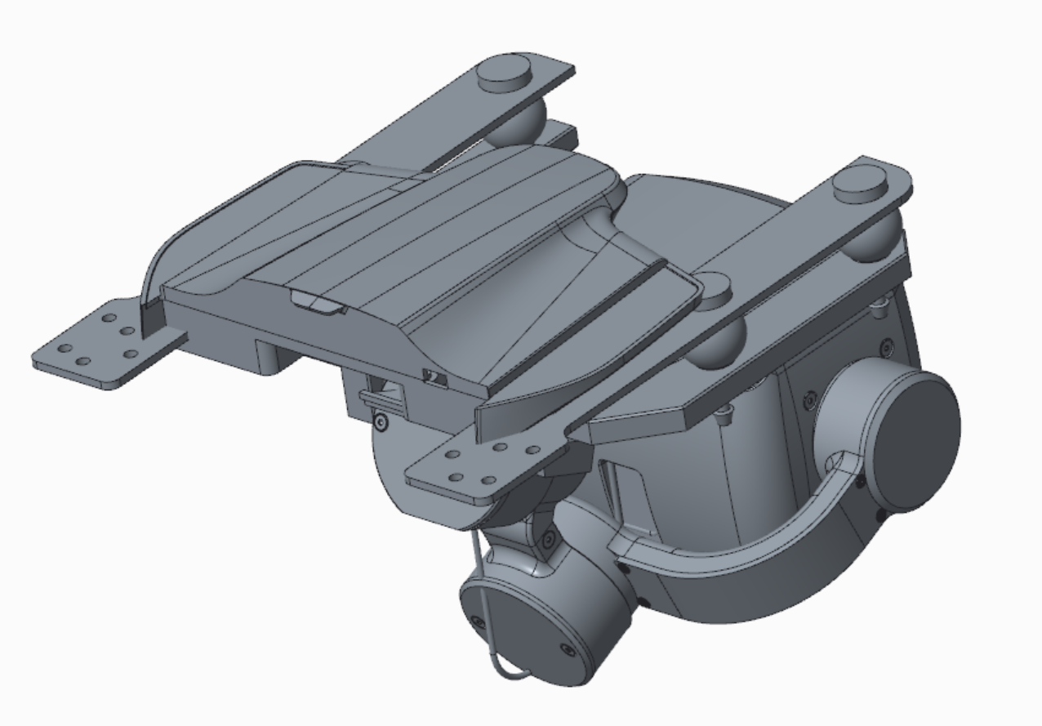
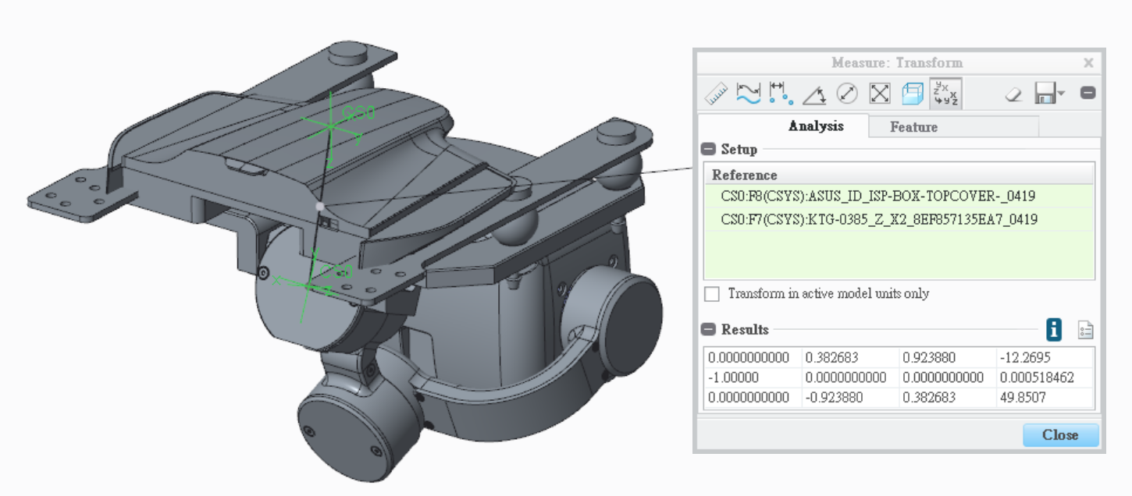

X
Y
Z
X
Y
Z

X
Y
Z
 |  |  | Rotation Matrix |  |  | Translation Vector
 |  |  | 0 | 0.3827 | 0.9239 | -12.2695
 |  |  | -1 | 0 | 0 | 0.000518462
 |  |  | 0 | -0.9239 | 0.3827 | 49.8507
Roll
Pitch

Yaw

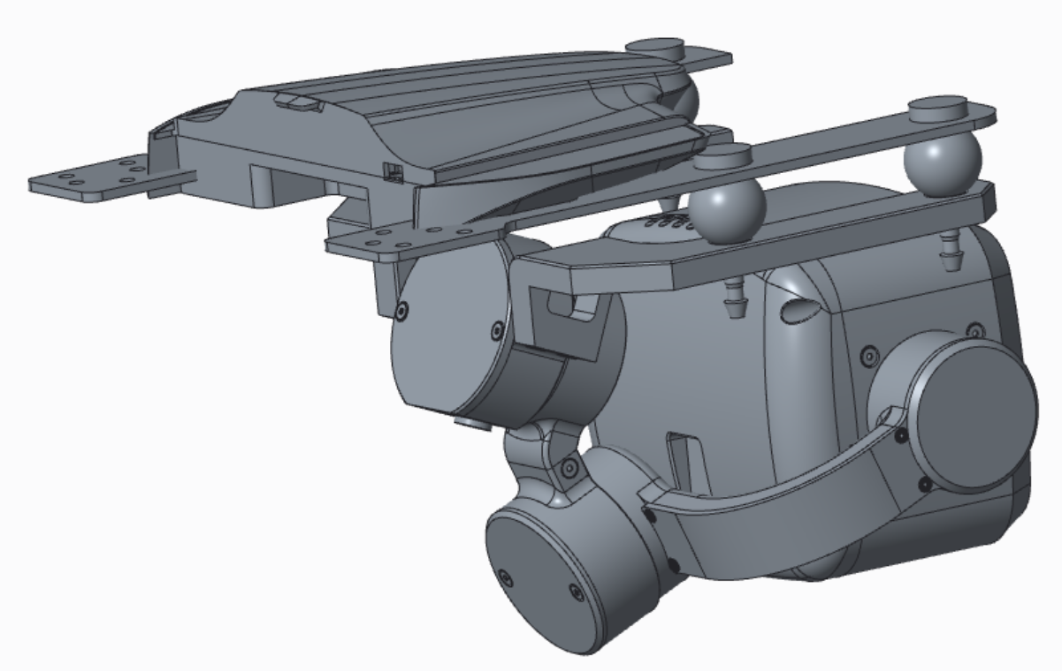
X
Y
Z
Z
Y
X
Z
X
Y
2. Roll to Yaw Transform
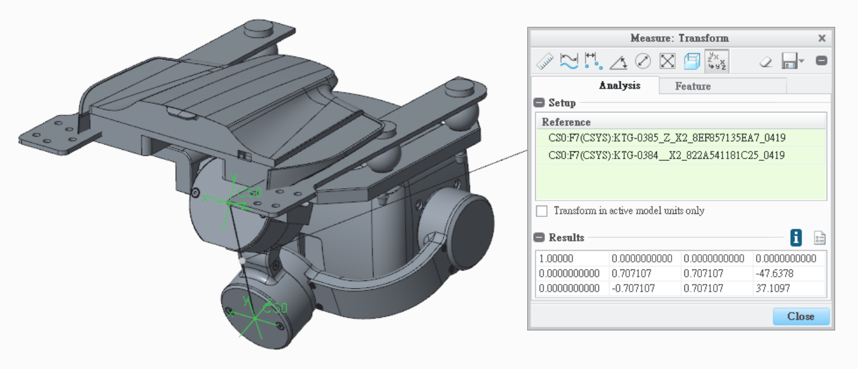

X
Y
Z
 |  |  | Rotation Matrix |  |  | Translation Vector
 |  |  | 1 | 0 | 0 | 0
 |  |  | 0 | 0.707107 | 0.707107 | -47.6378
 |  |  | 0 | -0.707107 | 0.707107 | 37.1097
Z
X
Y

X
Y
Z
Z
Y
X
Z
X
Y
3.Yaw to Pitch Transform
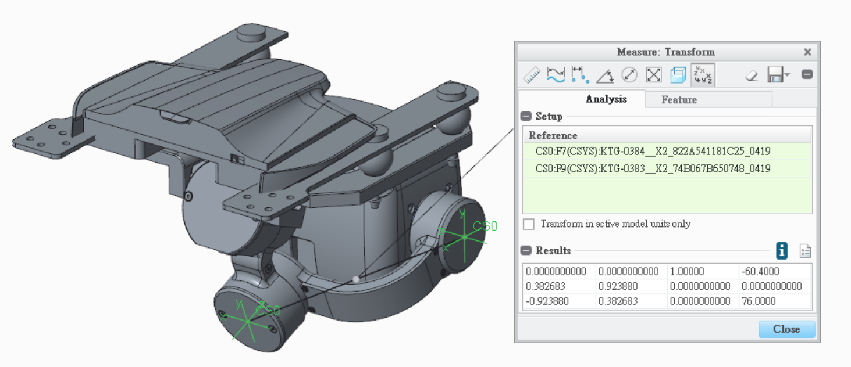

Z
Y
X
 |  |  | Rotation Matrix |  |  | Translation Vector
 |  |  | 0 | 0 | 1 | -60.4
 |  |  | 0.382683 | 0.92388 | 0 | 0
 |  |  | -0.92388 | 0.382683 | 0 | 76

Z
X
Y

X
Y
Z
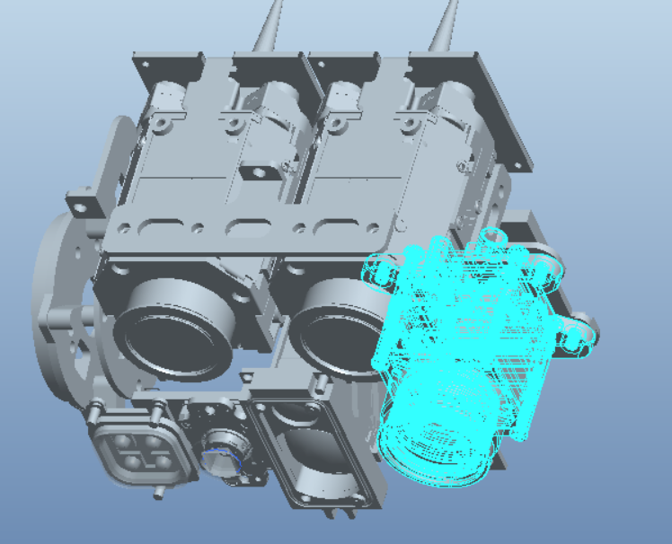

4. Pitch to Narrow Transform
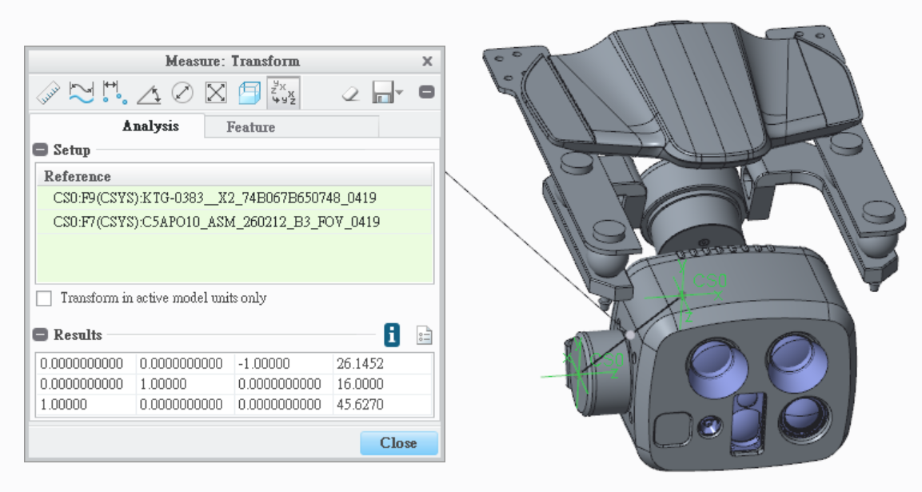

 | Rotation Matrix |  |  | Translation Vector
 | 0 | 0 | -1 | 26.1452
 | 0 | 1 | 0 | 16
 | 1 | 0 | 0 | 45.627

5. Pitch to Tele Transform



X
Y
Z

 |  |  | Rotation Matrix |  |  | Translation Vector
 |  |  | 0 | 0 | -1 | 26.1452
 |  |  | 0 | 1 | 0 | 16
 |  |  | 1 | 0 | 0 | 76.651

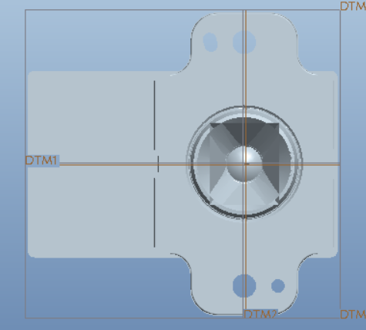
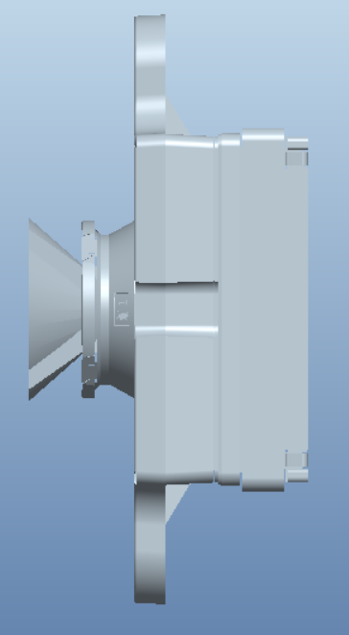

6. Pitch to Thermal Transform

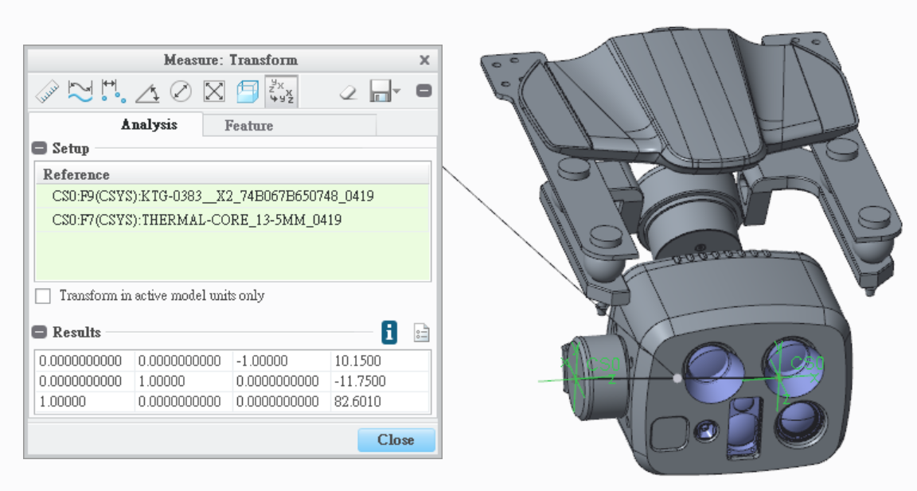

X
Y
Z

 |  |  | Rotation Matrix |  |  | Translation Vector
 |  |  | 0 | 0 | -1 | 10.15
 |  |  | 0 | 1 | 0 | -11.75
 |  |  | 1 | 0 | 0 | 82.601

7. Pitch to LRF-1 Transform

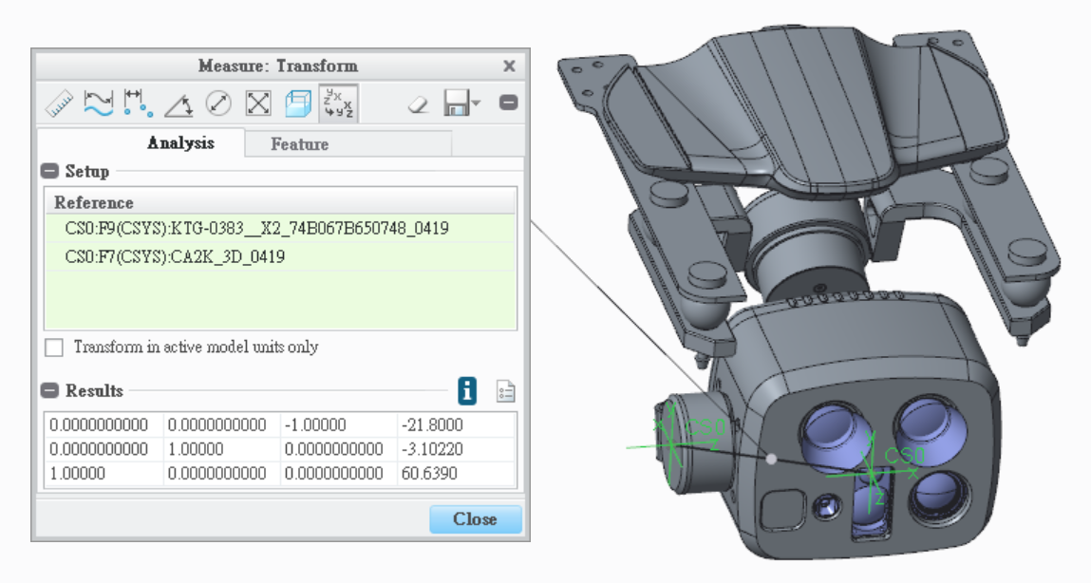

 |  |  | Rotation Matrix |  |  | Translation Vector
 |  |  | 0 | 0 | -1 | -21.8
 |  |  | 0 | 1 | 0 | -3.1022
 |  |  | 1 | 0 | 0 | 60.639

8. Pitch to LRF-2 Transform

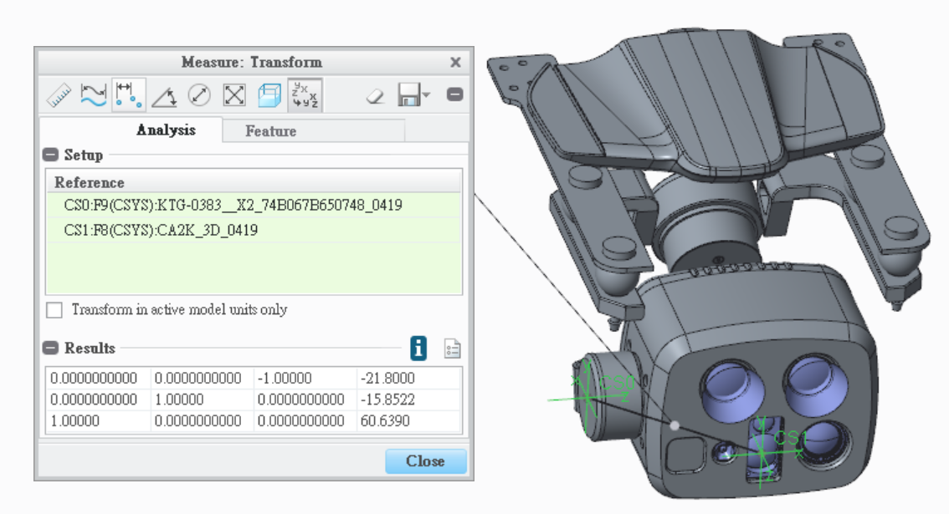

 |  |  | Rotation Matrix |  |  | Translation Vector
 |  |  | 0 | 0 | -1 | -21.8
 |  |  | 0 | 1 | 0 | -15.8522
 |  |  | 1 | 0 | 0 | 60.639

10. Pitch to Wide Transform

9. Pitch to Wide Transform
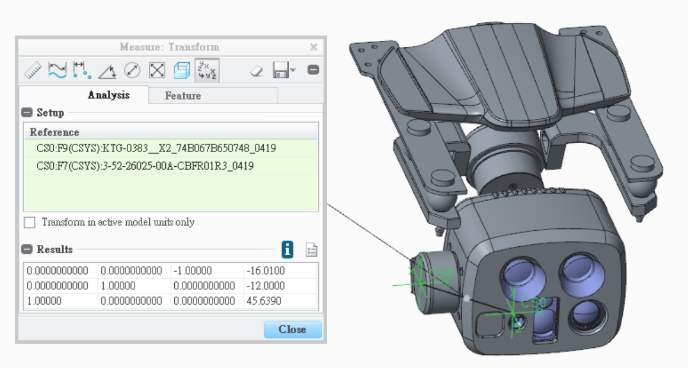
X
Y
Z
 |  |  | Rotation Matrix |  |  | Translation Vector
 |  |  | 0 | 0 | -1 | -16.01
 |  |  | 0 | 1 | 0 | -12
 |  |  | 1 | 0 | 0 | 45.639

PCB

CAD_Model_SR_260805
1. ISP BOX to Roll Transform

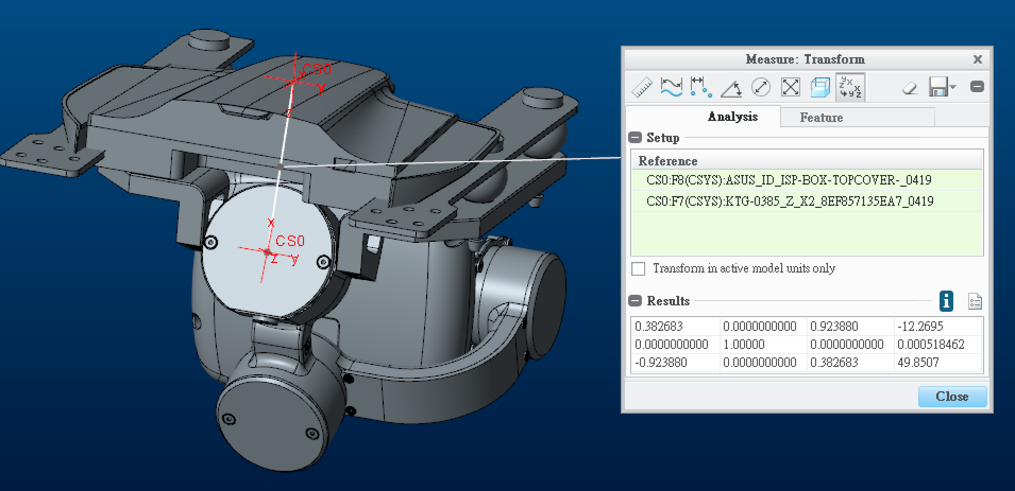

 | 0.382683 | 0 | 0.92388 | -12.2695
 | 0 | 1 | 0 | 0.000518462
 | -0.92388 | 0 | 0.382683 | 49.8507

2. Roll to Yaw Transform

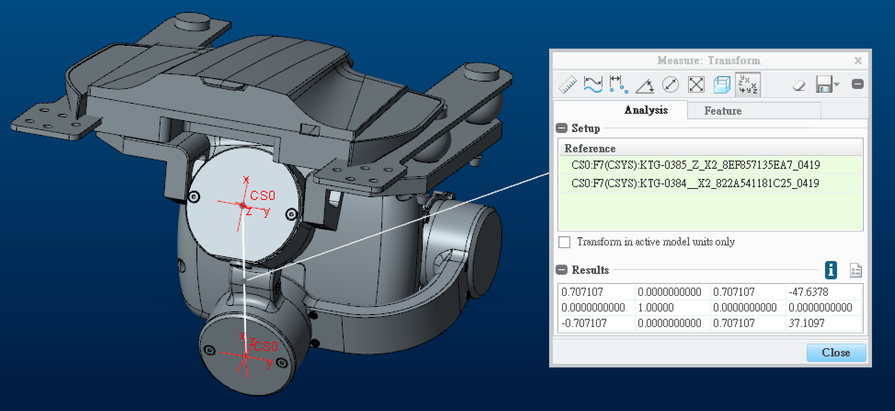

 | 0.707107 | 0 | 0.707107 | -47.6378
 | 0 | 1 | 0 | 0
 | -0.707107 | 0 | 0.707107 | 37.1097

3.Yaw to Pitch Transform

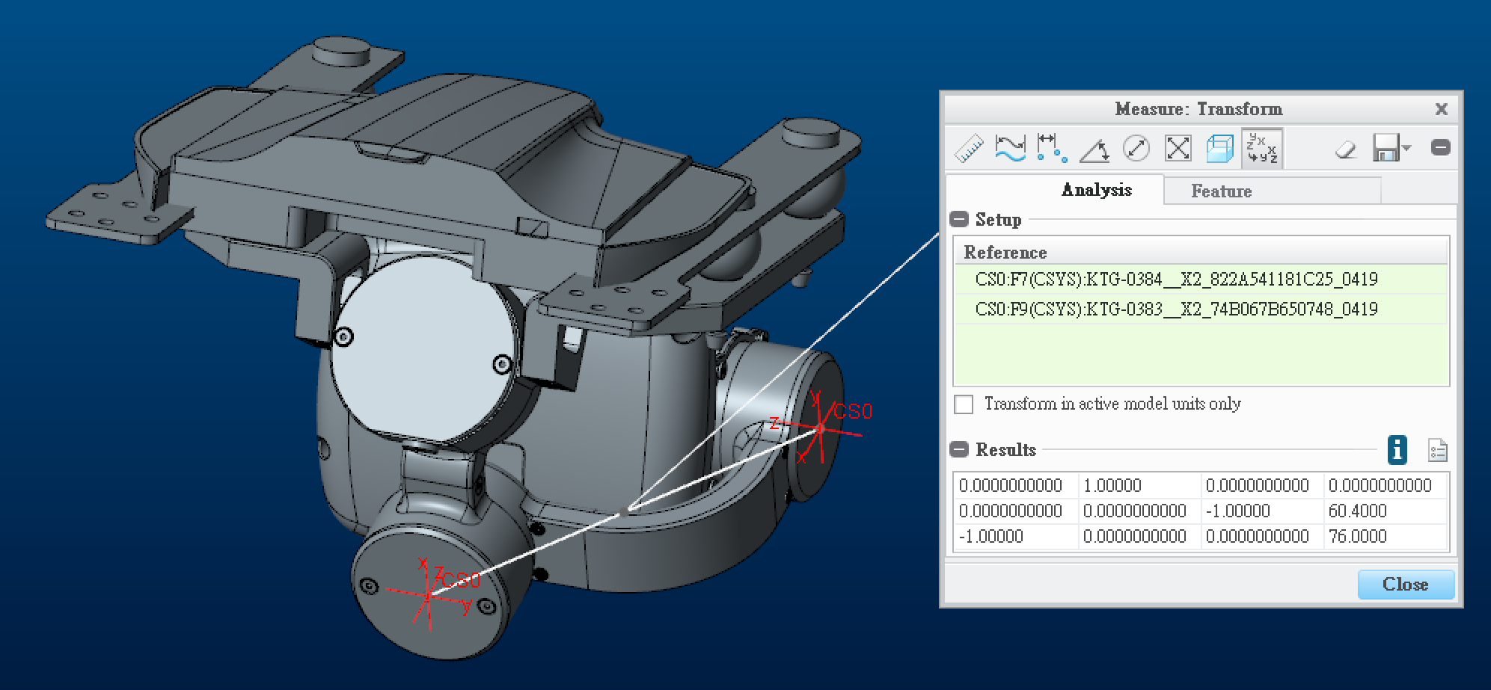

 | 0 | 1 | 0 | 0
 | 0 | 0 | -1 | 60.4
 | -1 | 0 | 0 | 76

4. Pitch to IMU Transform

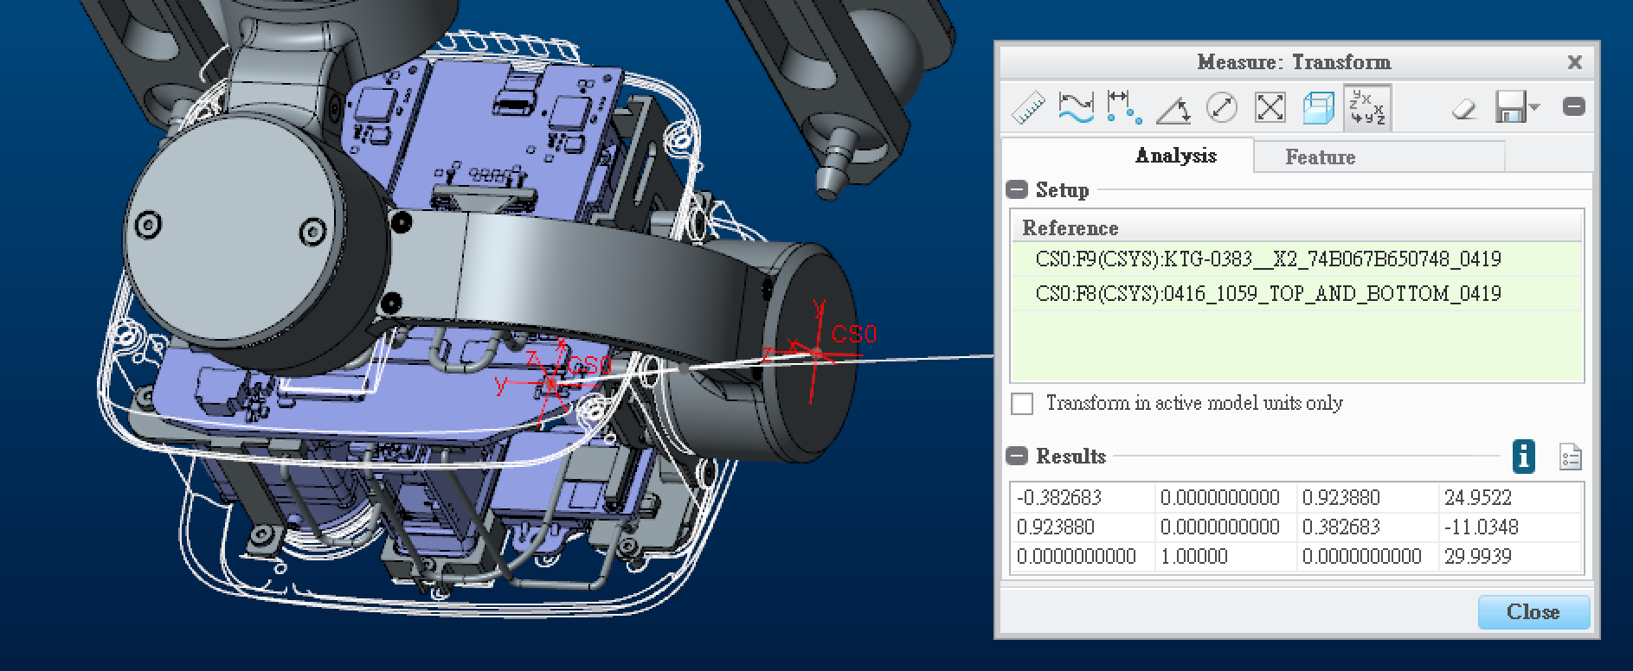

 | -0.382683 | 0 | 0.92388 | 24.9522
 | 0.92388 | 0 | 0.382683 | -11.0348
 | 0 | 1 | 0 | 29.9939

5. IMU to Narrow Transform

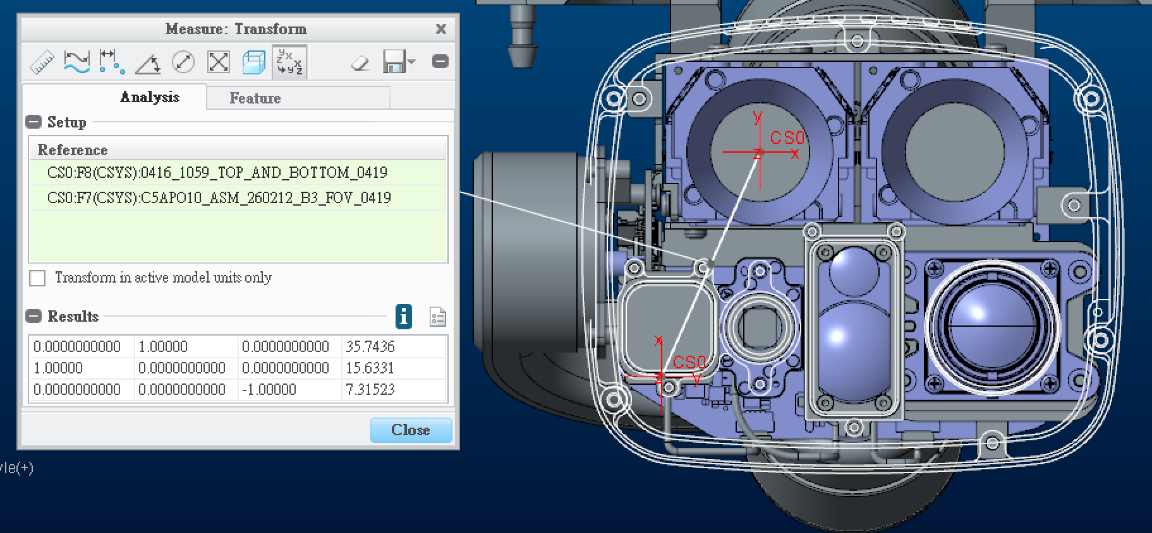

 | 0 | 1 | 0 | 35.7436
 | 1 | 0 | 0 | 15.6331
 | 0 | 0 | -1 | 7.31523

6. IMU to Tele Transform

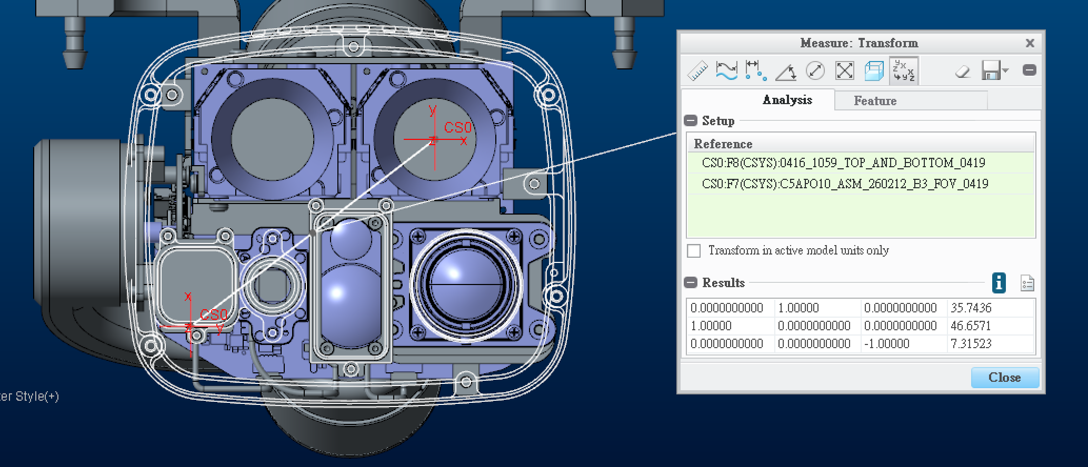

 | 0 | 1 | 0 | 35.7436
 | 1 | 0 | 0 | 46.6571
 | 0 | 0 | -1 | 7.31523

7. IMU to Thermal Transform

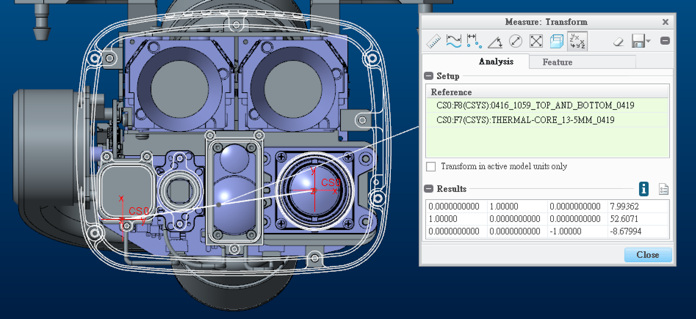

 | 0 | 1 | 0 | 7.99362
 | 1 | 0 | 0 | 52.6071
 | 0 | 0 | -1 | -8.67994

8. IMU to LRF-1 Transform

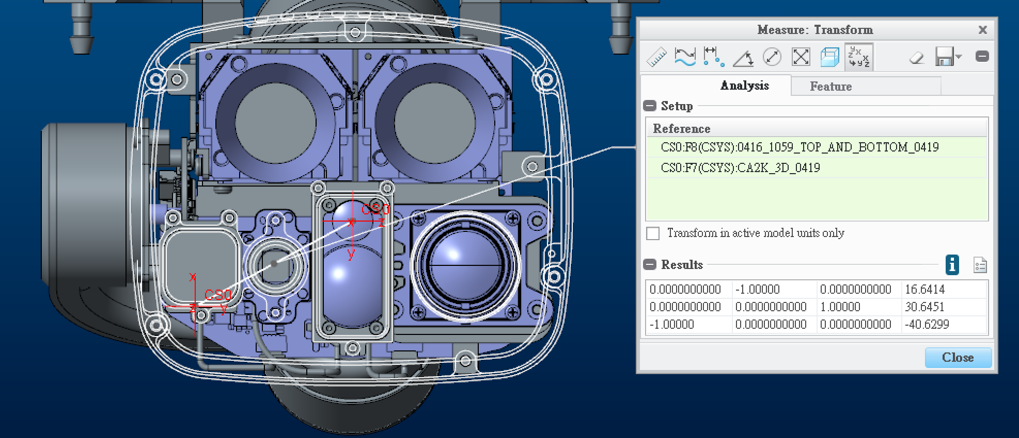

 | 0 | -1 | 0 | 16.6414
 | 0 | 0 | 1 | 30.6451
 | -1 | 0 | 0 | -40.6299

9. IMU to LRF-2 Transform

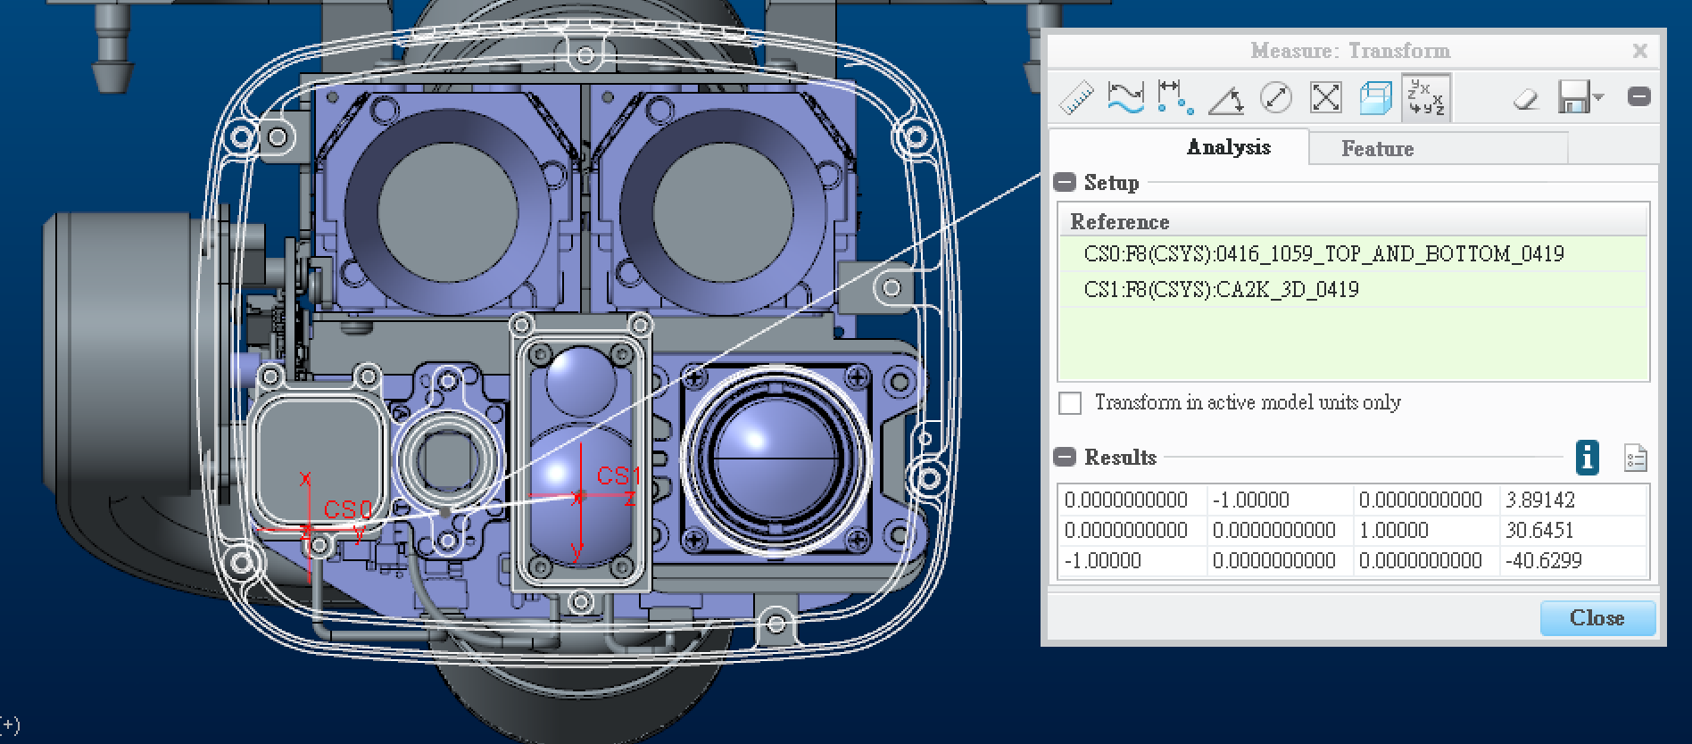

 | 0 | -1 | 0 | 3.89142
 | 0 | 0 | 1 | 30.6451
 | -1 | 0 | 0 | -40.6299

10. IMU to WIDE Transform

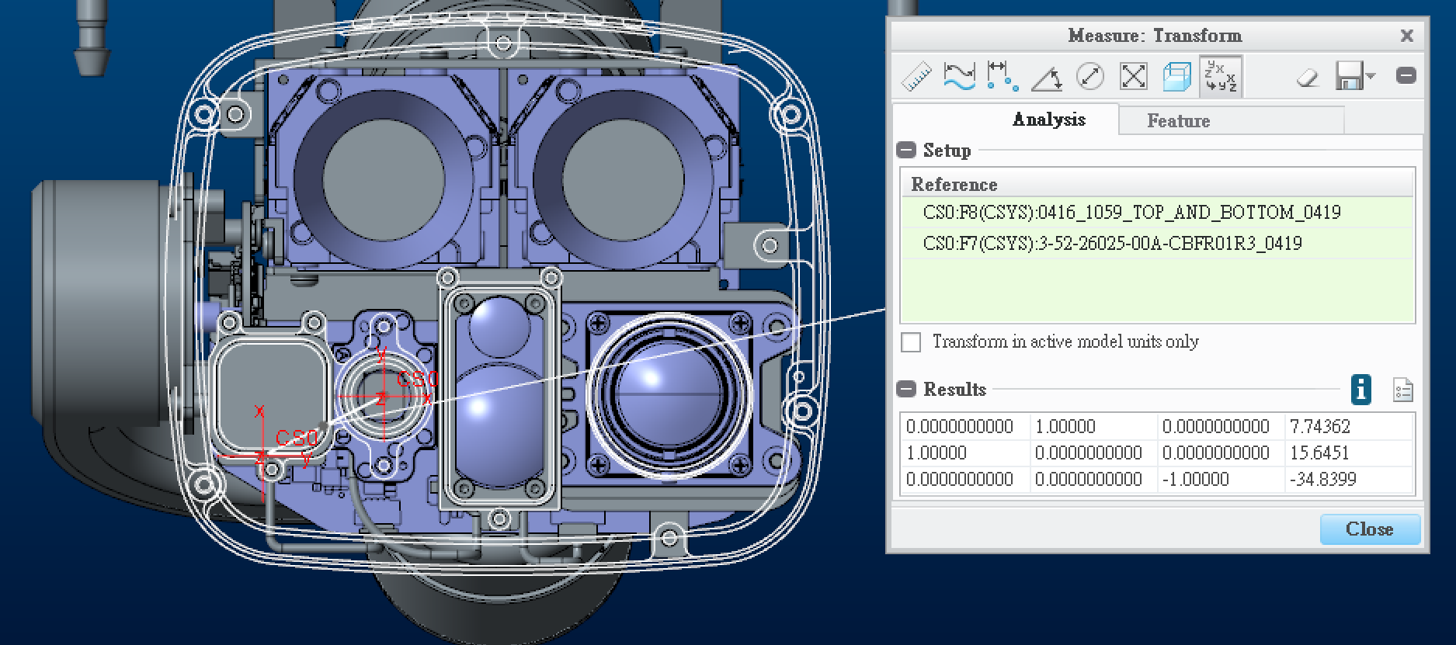

 | 0 | 1 | 0 | 7.74362
 | 1 | 0 | 0 | 15.6451
 | 0 | 0 | -1 | -34.8399

CAD_Model_ER_260820
1. ISP BOX to Suspend Transform

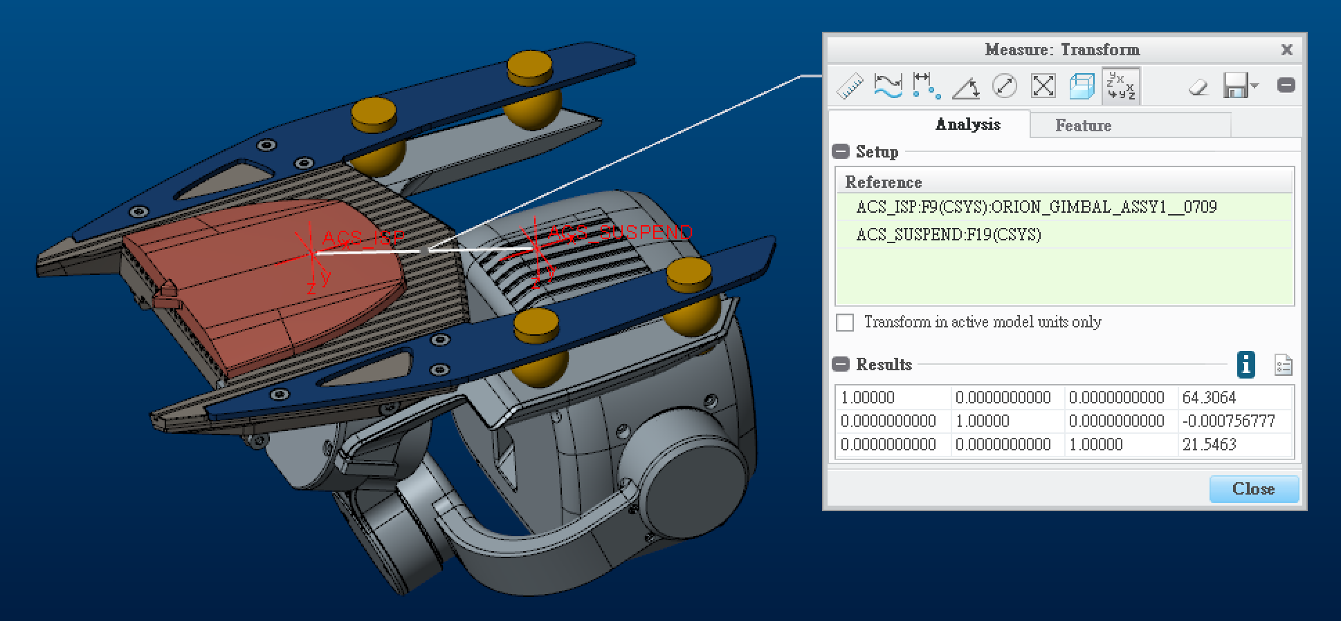

 | 1 | 0 | 0 | 64.3064
 | 0 | 1 | 0 | -0.000756777
 | 0 | 0 | 1 | 21.5463

2. Suspend to Roll Transform

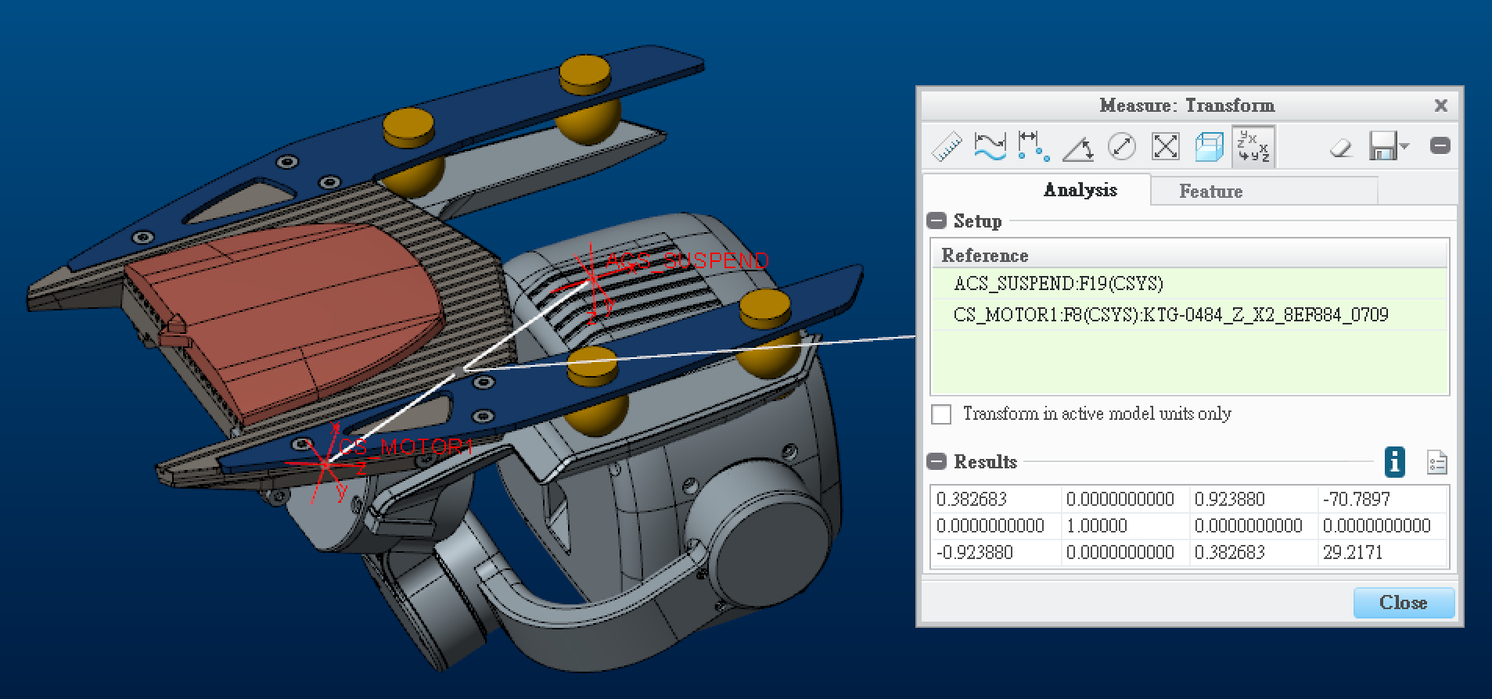

 | 0.382683 | 0 | 0.92388 | -70.7897
 | 0 | 1 | 0 | 0
 | -0.92388 | 0 | 0.382683 | 29.2171

3. Roll to Yaw Transform

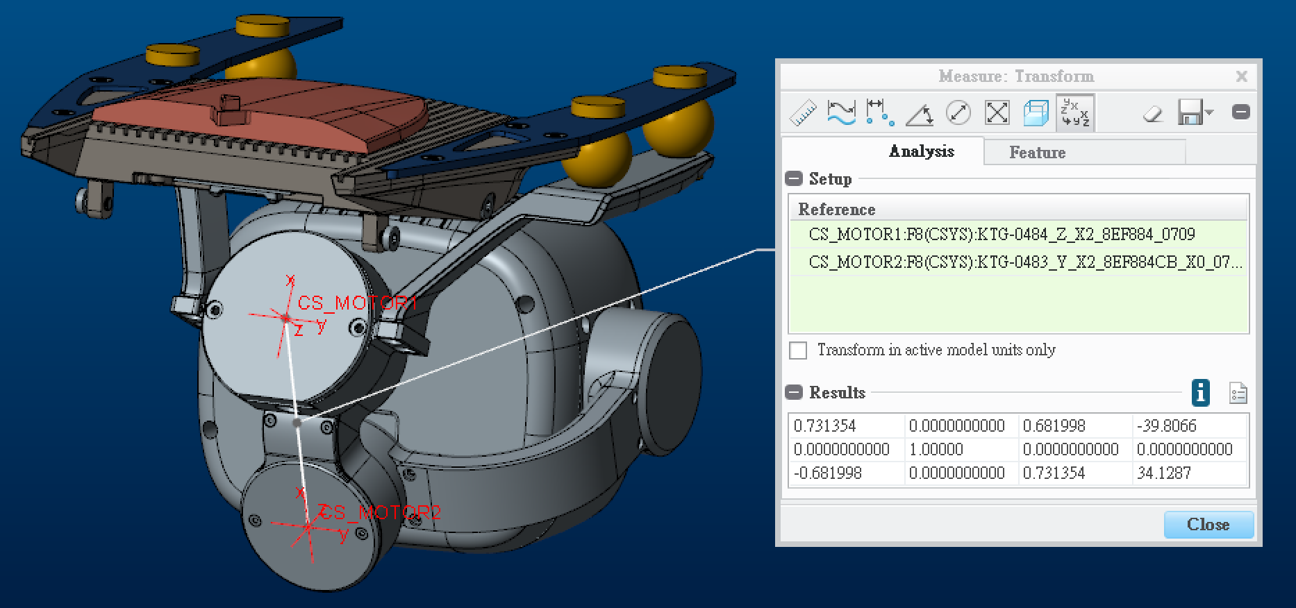

 | 0.731354 | 0 | 0.681998 | -39.8066
 | 0 | 1 | 0 | 0
 | -0.681998 | 0 | 0.731354 | 34.1287

3.Yaw to Pitch Transform

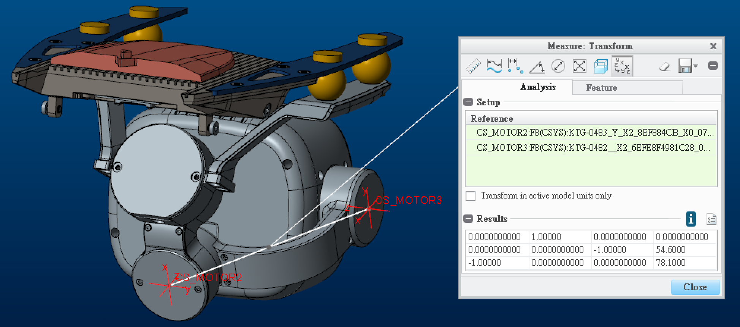

 | 0 | 1 | 0 | 0
 | 0 | 0 | -1 | 54.6
 | -1 | 0 | 0 | 78.1

4. Pitch to Payload Transform

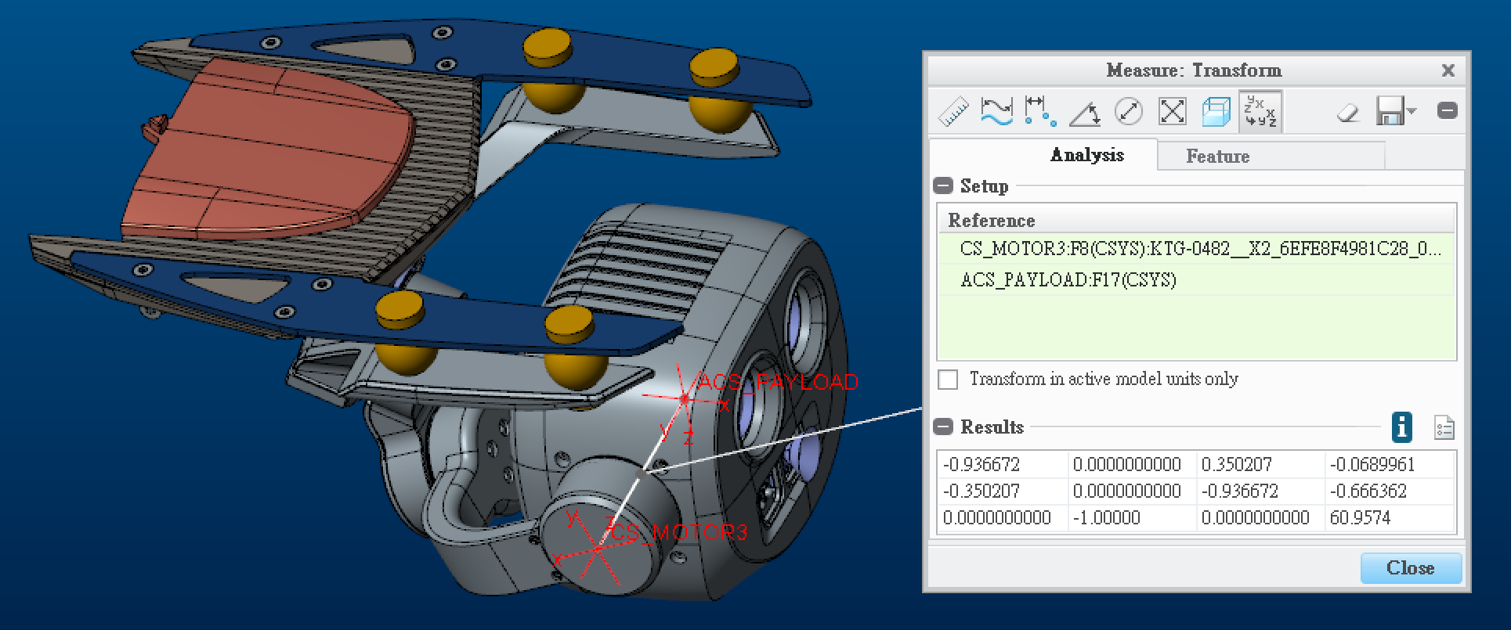

 | -0.936672 | 0 | 0.350207 | -0.0689961
 | -0.350207 | 0 | -0.936672 | -0.666362
 | 0 | -1 | 0 | 60.9574

5. Payload to IMU Transform

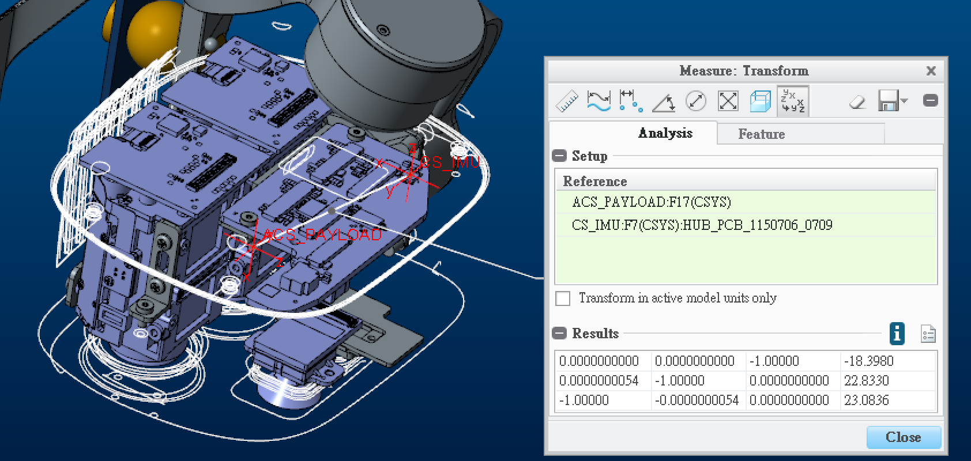

 | 0 | 0 | -1 | -18.398
 | 5.4E-09 | -1 | 0 | 22.833
 | -1 | -5.4E-09 | 0 | 23.0836

6. Payload to Narrow Transform

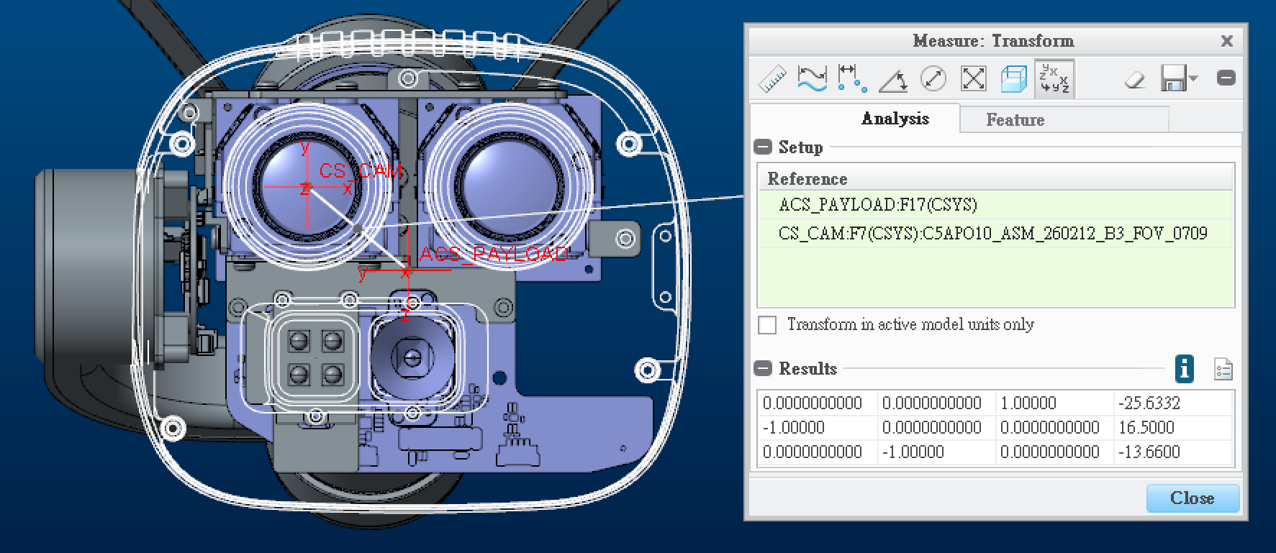

 | 0 | 0 | 1 | -25.6332
 | -1 | 0 | 0 | 16.5
 | 0 | -1 | 0 | -13.66

7. Payload to Tele Transform

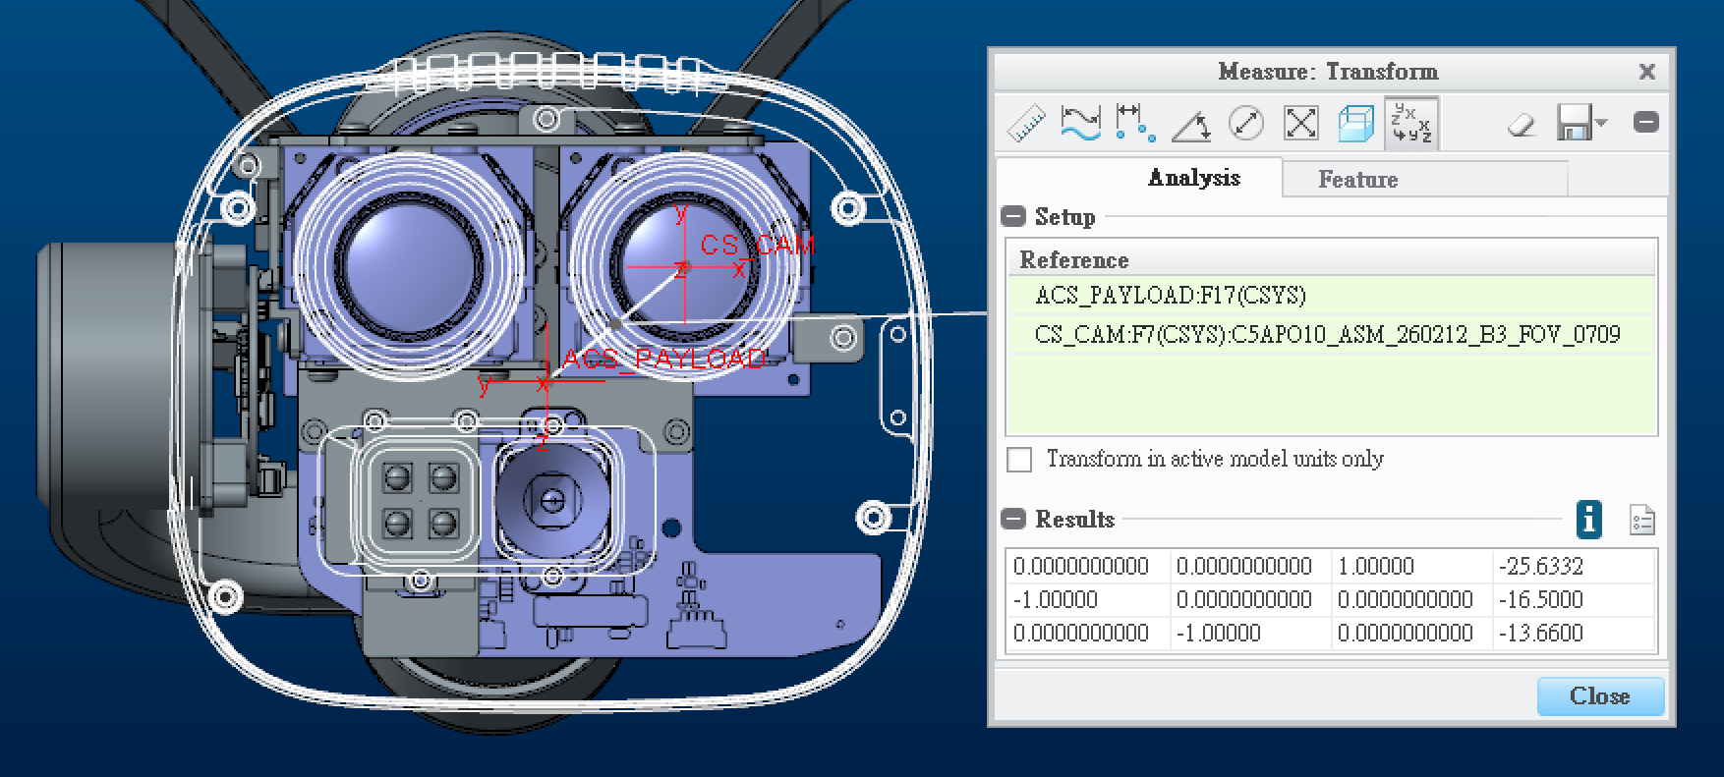

 | 0 | 0 | 1 | -25.6332
 | -1 | 0 | 0 | -16.5
 | 0 | -1 | 0 | -13.66

8. Payload to Wide Transform

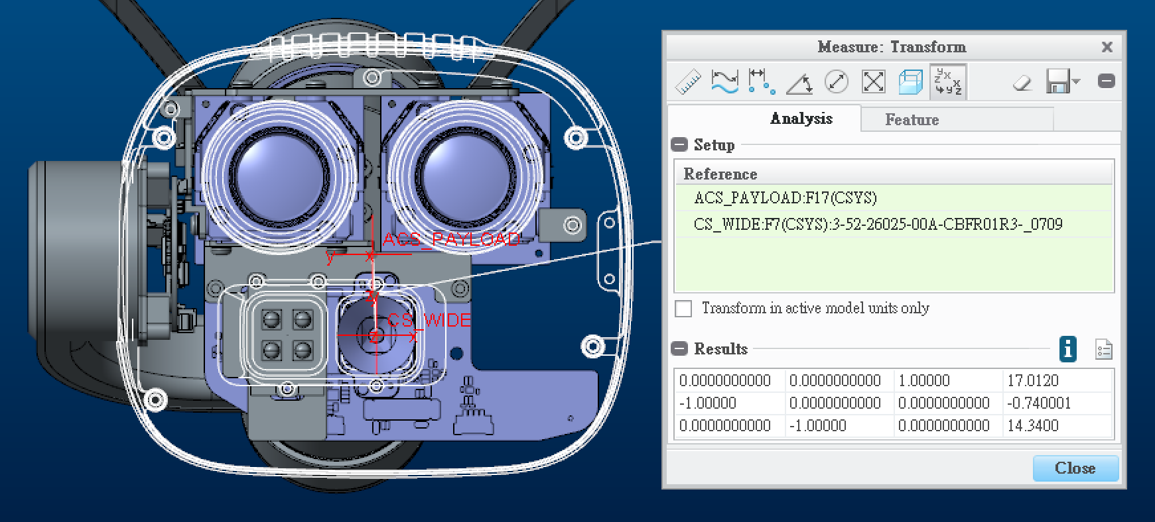

 | 0 | 0 | 1 | 17.012
 | -1 | 0 | 0 | -0.740001
 | 0 | -1 | 0 | 14.34

